Аркуш1
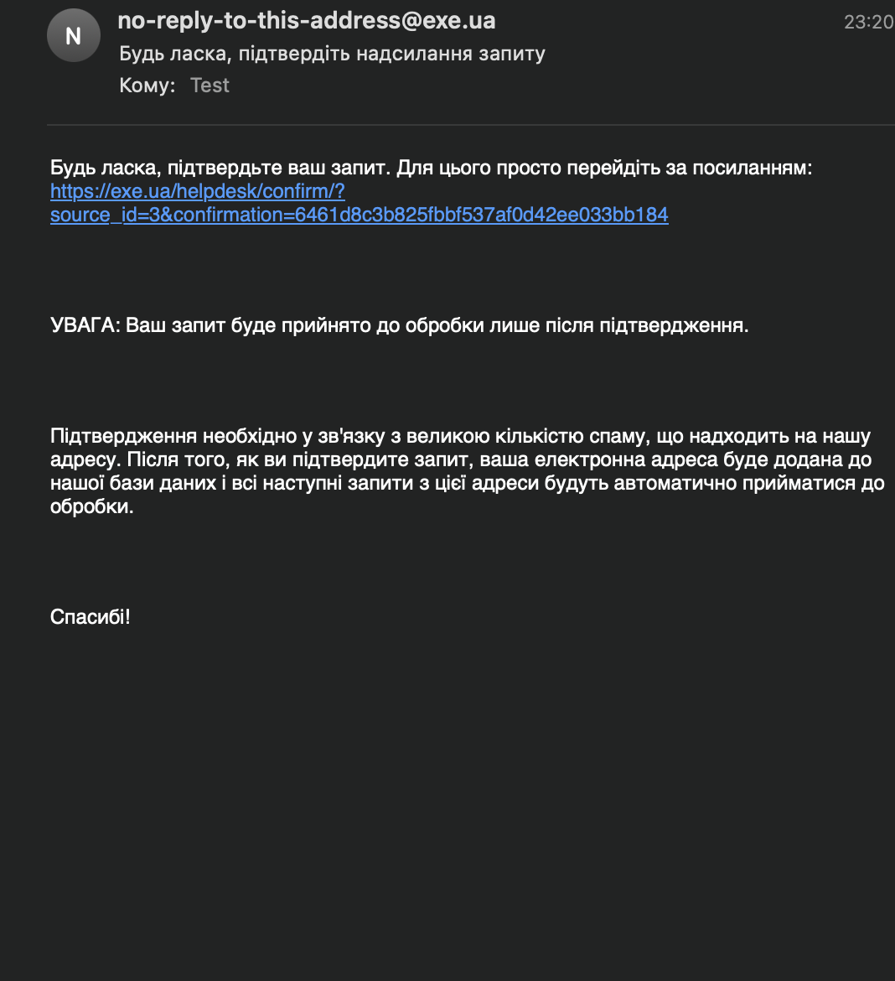
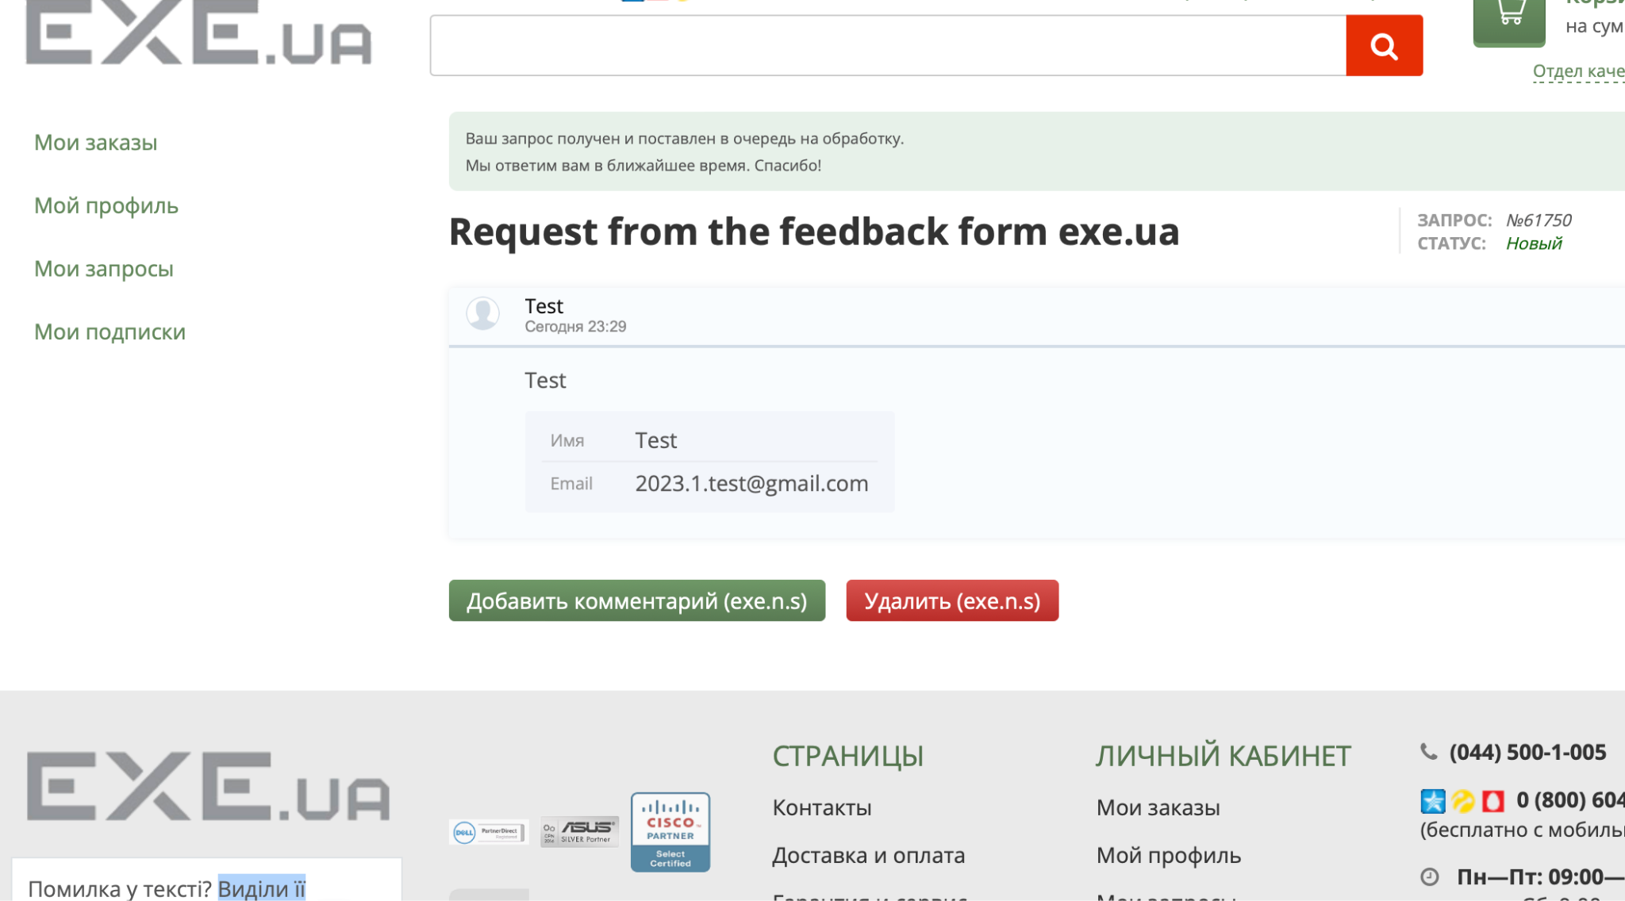
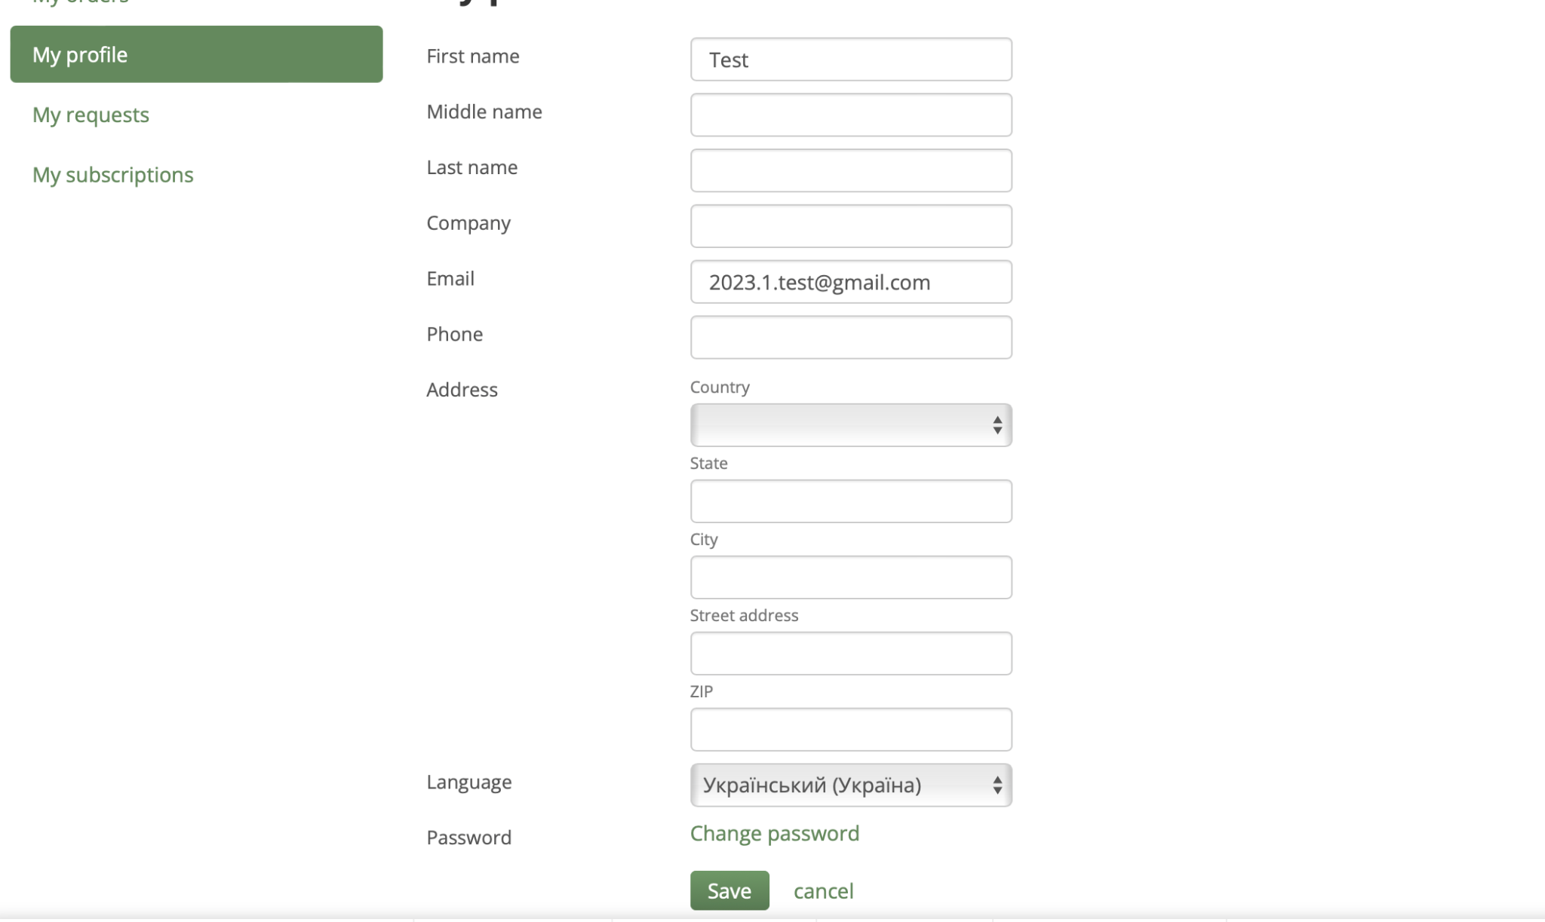
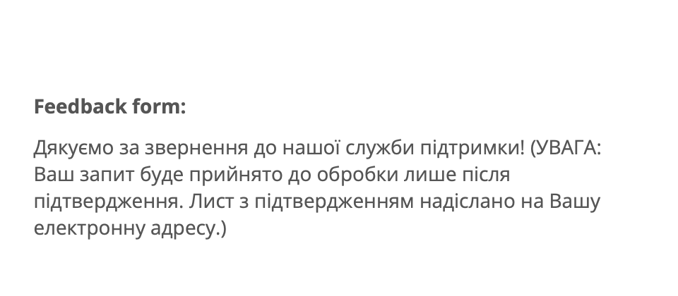
Bug reports
ID | 645801 | 645802 | 645803 | 645804 | 645805
Summary | The selected language changes to Ukrainian when you go to the "Quality Department" page | When the English language of the site localization is selected, in the shopping cart, in the "SHIPPING" item, the fields for entering the city and address are displayed in Russian | When sending the feedback form, do not fill in the text field description of the problem/proposal | There is no error message in the price filter of any product category when the filter from higher price to lower price is applied | A new account is registered if a valid email is entered and confirmed in the feedback form
Pre-conditions | Open website https://exe.ua | Open website https://exe.ua | Open website https://exe.ua | Open website https://exe.ua | Open website https://exe.ua
 |  | The language of site localization is English

Steps | 1. Change the language of the site to English by clicking "Eng" in the header | 1. Add to the cart one or more products | 1. Click on "Contacts" in the header | 1. Click on the "Catalog" | 1. Click on the "Contacts" in the header
 | 2. Click on the link "Quality dep." under the cart | 2. Click on the cart | 2. Enter the Name in the feedback form - Mykyta | 2. Choose "PC accessories" > "Video Cards" | 2. Enter the Name in the feedback form - Test
 |  |  | 3. Enter the email in the feedback form - mymail@gmail.com | 3. Enter 10,000 in the Price "from" field | 3. Enter the email in the feedback form - 2023.1.test@gmail.com
 |  |  | 4. Enter the captcha shown below | 4. Enter 5 in the Price "to" field | 4. Enter in the text field - Test
 |  |  | 5. Click "Send"(Відправити) | 5. Press Enter | 5. Click "Send"(Відправити)
 |  |  | Actual: Message "Это поле обязательное" |  | Actual: Message "Это поле обязательное"
 |  |  | Note: The error that the captcha is not entered appears randomly |  | Note: The error that the captcha is not entered appears randomly
 |  |  | 6. Enter the captcha shown below |  | 6. Enter the captcha shown below
 |  |  | 7. Click "Send"(Відправити) |  | 7. Click "Send"(Відправити)
 |  |  |  |  | 8. Follow the link sent to the email 2023.1.test@gmail.com

Expected result | The language of the quality department page is displayed in English | All information on the "Cart" page is displayed in English | A message should appear that the text field is required | The filter should not be appliedю The "to" field should light up in red | The feedback form has been sent. No new user registered.
Actual result | The language of the quality department page is displayed in Ukrainian | The fields for entering the city and address in the "SHIPPING" item on the "Cart" page are displayed in Russian | Message: "Дякуємо за звернення до нашої служби підтримки!" | Filter applied. There are no error messages | The feedback form has been sent. New user registered. Note: A new user is registered with only Name and Email. To register through the Registration Form, you need to fill in the mandatory fields, including the Phone field, which must be confirmed. Through the personal account, you can change any information, including setting a password for further logging into the system. In this way, you can register without confirming your phone number and filling in other required fields.
Post-condition
Environment | All browsers | All browsers | All browsers | All browsers | All browsers
Severity | low | low | low | low | Medium
Priority | low | low | low | low | Medium
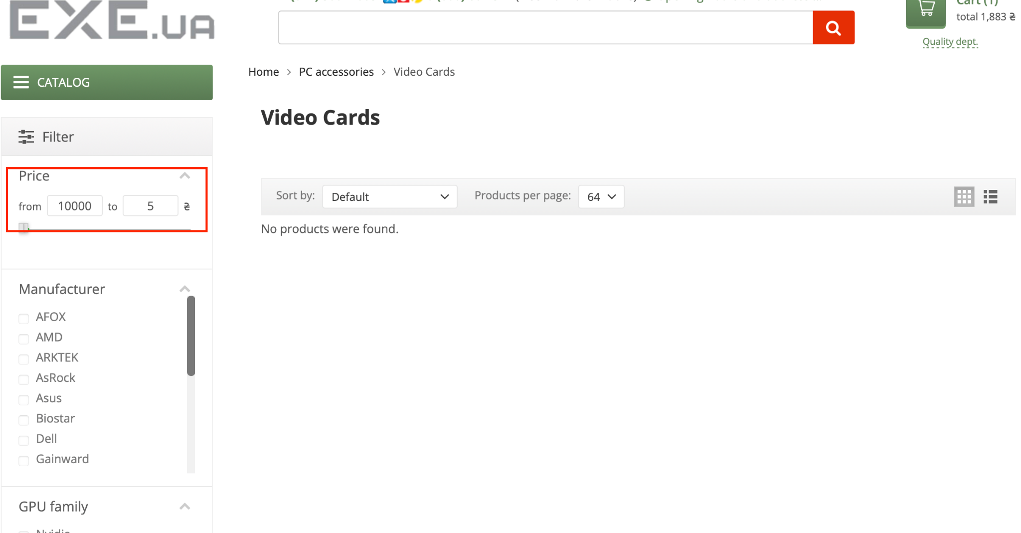
Type of bug | Localization | Localization | Logical | Functional / Logical | Security
Attachment |  |  |  |  | 2023-07-01
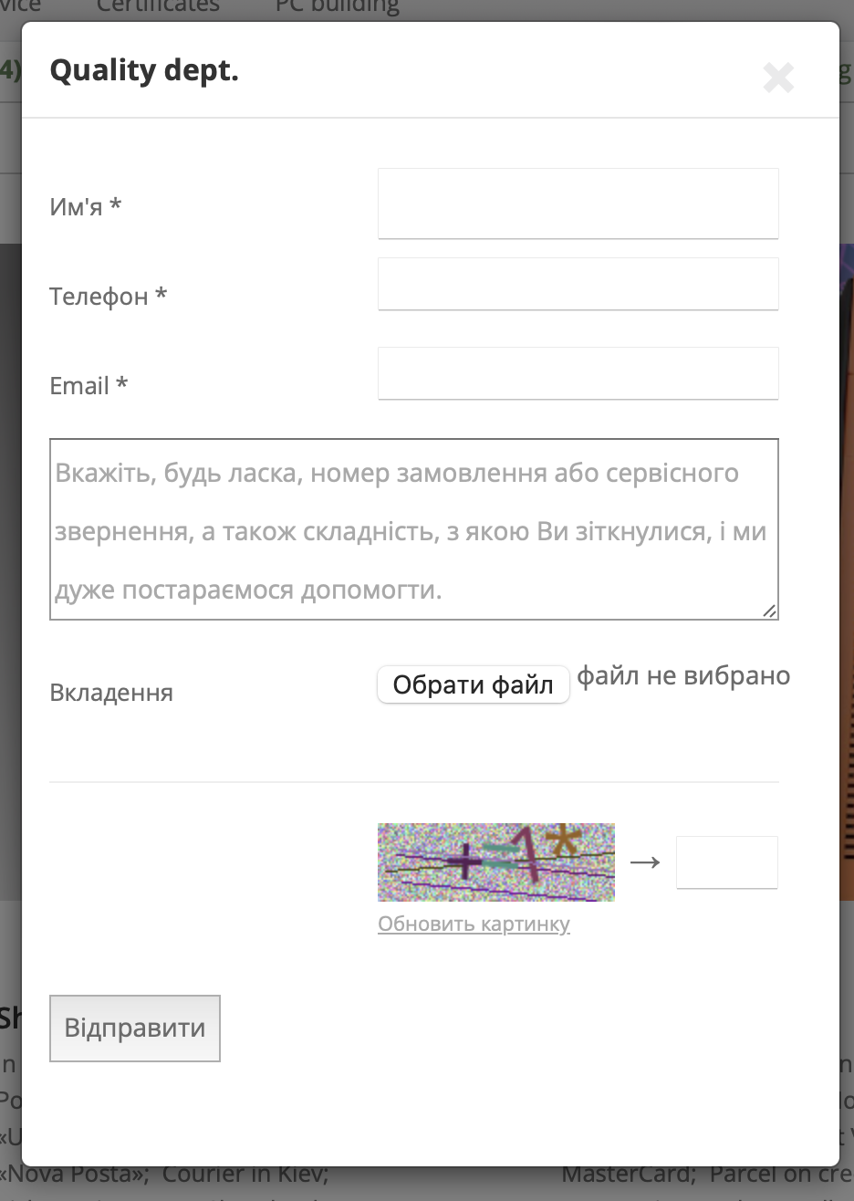
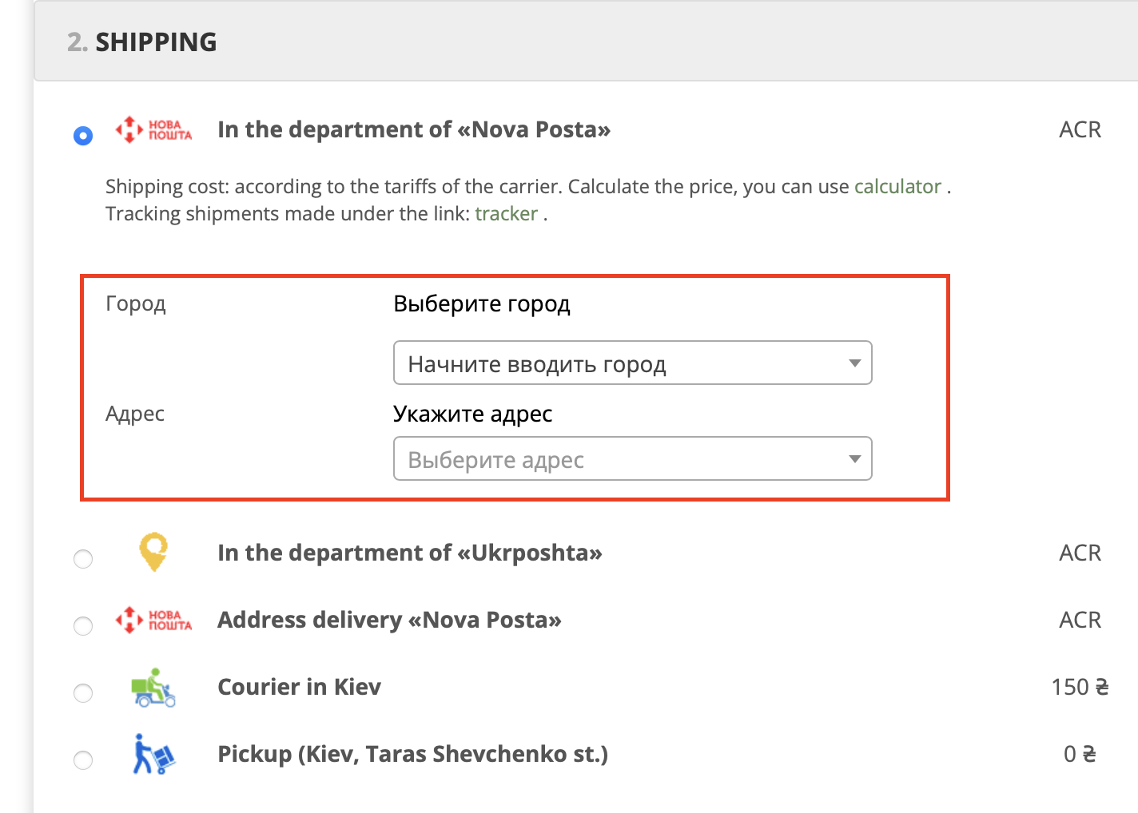
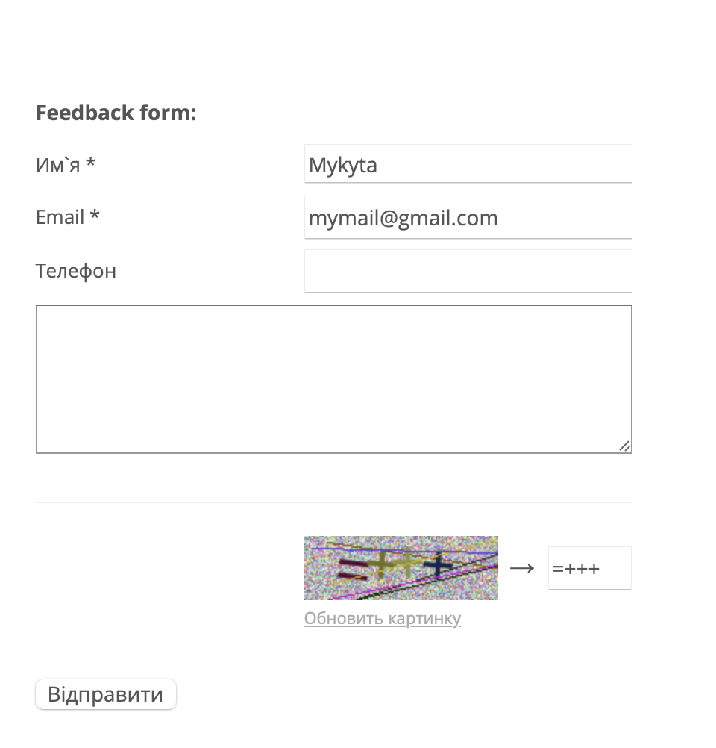
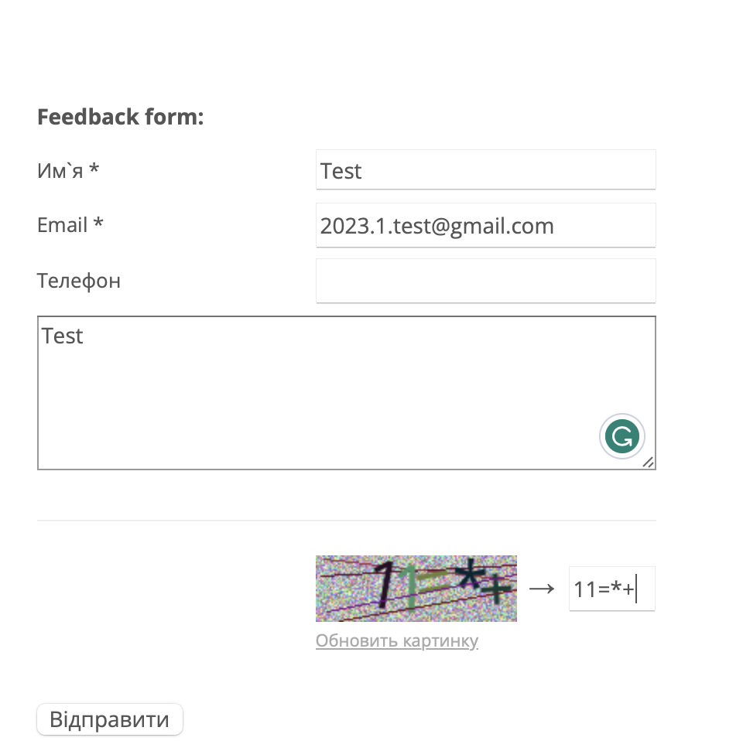

 |  |  |  |  | 8

